4H 9-12
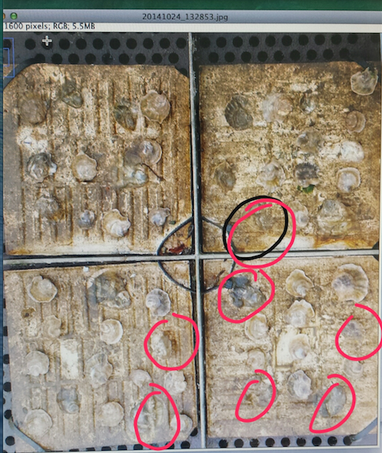
Date | Site | Pop | Tray | Sample | Area | Length.mm |  |  | Mean | Min | Max | Angle | Length
2014-10-24 | Manchester | 4H | 9-12 | 1 | 51 | 24.22817955 | 319 | SS Ave | 80.285 | 3.667 | 174.654 | 90.901 | 318.039
2014-10-24 | Manchester | 4H | 9-12 | 2 | 47 | 22.32793017 | 316 | 320.8 | 80.191 | 8.011 | 172.095 | -89.091 | 315.04
2014-10-24 | Manchester | 4H | 9-12 | 3 | 54 | 25.65336658 | 324 | Conversion | 83.251 | 3.826 | 174.829 | -88.758 | 323.076
2014-10-24 | Manchester | 4H | 9-12 | 4 | 49 | 23.27805486 | 322 | 2.104986877 | 84.824 | 6.109 | 175.168 | -89.286 | 321.025
2014-10-24 | Manchester | 4H | 9-12 | 5 | 41 | 19.47755611 | 323 |  | 88.707 | 2.091 | 191.645 | -89.11 | 322.039
2014-10-24 | Manchester | 4H | 9-12 | 6 | 47 | 22.32793017 |  |  | 162.056 | 138.667 | 197.151 | 121.159 | 50.249
2014-10-24 | Manchester | 4H | 9-12 | 7 | 45 | 21.37780548 |  |  | 139.224 | 92.893 | 227 | 132.357 | 46.011
2014-10-24 | Manchester | 4H | 9-12 | 8 | 42 | 19.95261845 |  |  | 140.642 | 99.943 | 179 | 111.194 | 52.555
2014-10-24 | Manchester | 4H | 9-12 | 9 | 38 | 18.05236907 |  |  | 171.702 | 21.333 | 222.75 | -129.036 | 47.634
2014-10-24 | Manchester | 4H | 9-12 | 10 | 34 | 16.1521197 |  |  | 141.807 | 62.333 | 216.396 | 132.955 | 39.623
2014-10-24 | Manchester | 4H | 9-12 | 11 | 48 | 22.80299251 |  |  | 178.879 | 124.089 | 221.89 | 155.659 | 46.098
2014-10-24 | Manchester | 4H | 9-12 | 12 | 32 | 15.20199501 |  |  | 171.469 | 98.333 | 218.449 | 151.699 | 44.294
2014-10-24 | Manchester | 4H | 9-12 | 13 | 53 | 25.17830424 |  |  | 151.675 | 96.726 | 186.018 | -37.999 | 40.608
2014-10-24 | Manchester | 4H | 9-12 | 14 | 55 | 26.12842892 |  |  | 148.413 | 111.921 | 195.035 | 22.38 | 36.77
2014-10-24 | Manchester | 4H | 9-12 | 15 | 37 | 17.57730673 |  |  | 147.199 | 96 | 236.364 | -93.468 | 33.061
2014-10-24 | Manchester | 4H | 9-12 | 16 | 38 | 18.05236907 |  |  | 185.226 | 131.667 | 236.11 | 113.839 | 47.011
2014-10-24 | Manchester | 4H | 9-12 | 17 | 34 | 16.1521197 |  |  | 164.598 | 110.473 | 217.925 | 86.309 | 31.064
2014-10-24 | Manchester | 4H | 9-12 | 18 | 52 | 24.70324189 |  |  | 128.447 | 81.718 | 168.333 | 138.094 | 52.402
2014-10-24 | Manchester | 4H | 9-12 | 19 | 39 | 18.52743142 |  |  | 189.339 | 133 | 230 | 180 | 54
2014-10-24 | Manchester | 4H | 9-12 | 20 | 40 | 19.00249376 |  |  | 158.633 | 101.667 | 240 | 82.093 | 36.346
2014-10-24 | Manchester | 4H | 9-12 | 21 | 48 | 22.80299251 |  |  | 145.643 | 103.631 | 207.667 | -85.365 | 37.121
2014-10-24 | Manchester | 4H | 9-12 | 22 | 42 | 19.95261845 |  |  | 144.971 | 95.333 | 187.667 | 0 | 33
2014-10-24 | Manchester | 4H | 9-12 | 23 | 43 | 20.42768079 |  |  | 136.772 | 88.863 | 194.02 | 6.71 | 51.352
2014-10-24 | Manchester | 4H | 9-12 | 24 | 46 | 21.85286783 |  |  | 219.269 | 180.772 | 246.684 | -6.009 | 38.21
2014-10-24 | Manchester | 4H | 9-12 | 25 | 71 | 33.72942643 |  |  | 175.49 | 92.897 | 223.744 | 97.306 | 39.319
2014-10-24 | Manchester | 4H | 9-12 | 26 | 44 | 20.90274314 |  |  | 121.228 | 81.722 | 163.333 | 152.354 | 47.413
2014-10-24 | Manchester | 4H | 9-12 | 27 | 37 | 17.57730673 |  |  | 146.263 | 90.311 | 198.367 | -52.853 | 41.4
2014-10-24 | Manchester | 4H | 9-12 | 28 | 40 | 19.00249376 |  |  | 122.146 | 83.651 | 156.401 | 115.346 | 42.048
2014-10-24 | Manchester | 4H | 9-12 | 29 | 41 | 19.47755611 |  |  | 162.107 | 125.307 | 213.898 | 156.297 | 44.777
2014-10-24 | Manchester | 4H | 9-12 | 30 | 43 | 20.42768079 |  |  | 136.273 | 59.76 | 203.586 | -70.787 | 69.893
2014-10-24 | Manchester | 4H | 9-12 | 31 | 51 | 24.22817955 |  |  | 166.877 | 117.801 | 211.79 | -113.025 | 43.463
2014-10-24 | Manchester | 4H | 9-12 | 32 | 30 | 14.25187032 |  |  | 167.886 | 94.333 | 203.815 | 155.556 | 36.249
2014-10-24 | Manchester | 4H | 9-12 | 33 | 39 | 18.52743142 |  |  | 183.924 | 137.84 | 240.333 | -31.218 | 38.588
2014-10-24 | Manchester | 4H | 9-12 | 34 | 45 | 21.37780548 |  |  | 160.107 | 33 | 228.5 | -2.862 | 40.05
2014-10-24 | Manchester | 4H | 9-12 | 35 | 50 | 23.7531172 |  |  | 195.481 | 161.333 | 240 | 90 | 42
2014-10-24 | Manchester | 4H | 9-12 | 36 | 41 | 19.47755611 |  |  | 148.014 | 105 | 196.333 | 126.87 | 50
2014-10-24 | Manchester | 4H | 9-12 | 37 | 41 | 19.47755611 |  |  | 170.811 | 135 | 231 | 90 | 29
2014-10-24 | Manchester | 4H | 9-12 | 38 | 51 | 24.22817955 |  |  | 194.668 | 136.535 | 233.404 | 172.504 | 38.328
2014-10-24 | Manchester | 4H | 9-12 | 39 | 63 | 29.92892768 |  |  | 187.621 | 155.568 | 227.213 | 58.134 | 43.566
2014-10-24 | Manchester | 4H | 9-12 | 40 | 41 | 19.47755611 |  |  | 130.566 | 84.667 | 171.712 | 122.381 | 48.549
2014-10-24 | Manchester | 4H | 9-12 | 41 | 49 | 23.27805486 |  |  | 181.415 | 151.827 | 212.28 | -53.13 | 40
2014-10-24 | Manchester | 4H | 9-12 | 42 | 39 | 18.52743142 |  |  | 165.221 | 43.667 | 227.133 | -4.289 | 40.112
2014-10-24 | Manchester | 4H | 9-12 | 43 | 33 | 15.67705735 |  |  | 146.548 | 102.151 | 211.023 | 112.443 | 49.769
2014-10-24 | Manchester | 4H | 9-12 | 44 | 43 | 20.42768079 |  |  | 142.954 | 107.081 | 215.667 | 6.442 | 62.394
2014-10-24 | Manchester | 4H | 9-12 | 45 | 33 | 15.67705735 |  |  | 175.399 | 97.4 | 224 | -177.138 | 40.05

